HRV
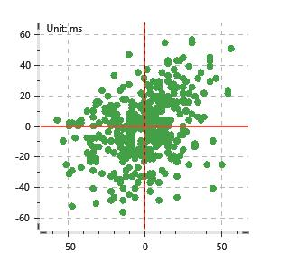
Data Info
 | Recording | 记录006
 | Subject | 張紫婷
 | Create Time | 2024-07-09 09:45:22.251
 | Data Name | Chest1 ECG
 | Data Type | ECG
 | Sample Rate | 512
 | Segment | 前静息态
 | Start Time | 0:00:47
 | End Time | 0:05:47
 | Duration | 0:05:00

Replay Chart
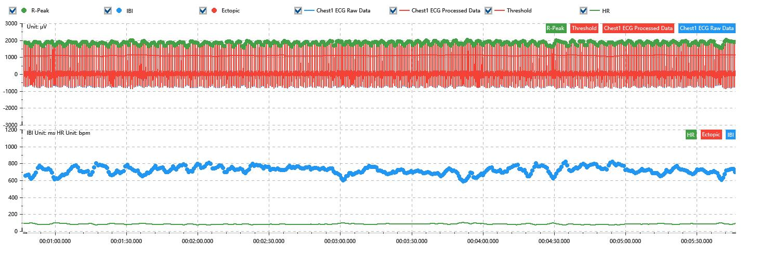

Process parameters
 | Filters
 | Wavlet filter | Enabled | 中
 | Amplitude normalization | Disabled | 中
 | High Pass filter | Enabled | 1μV
 | Band Stop filter | Enabled | 50μV
 | Low Pass filter | Enabled | 100μV
 | Interbeat Interval
 | R-Peak extraction | Maximum heart rate | 120bpm
 | R-Peak extraction | Threshold | 70%
 | Extopic detection | Percent | Disabled | 20%
 | Extopic detection | Median | Enabled | 4(samples)
 | Extopic correction | 中值 | 5(samples)

Time Domain
 | MeanIBI | MeanHR | SDNN | SDANN | RMSSD | SDSD | PNN50 | PNN20 | Data Length
 | 714.05ms | 84bpm | 44.37ms | 0ms | 20.48ms | 20.5ms | 1.67% | 29.67% | 419

Frequency Domain
 | Band | Range | Power | Power Percent | Power Normalized | Peak | Data Length
 | ULF | 0 - 0.0033Hz | 70.55ms² | 3.87% | 0 | 0Hz | 4
 | VLF | 0.0033 - 0.04Hz | 647.49ms² | 35.55% | 0 | 0Hz | 37
 | LF | 0.04 - 0.15Hz | 912.03ms² | 50.08% | 0.83 | 0.08Hz | 113
 | HF | 0.15 - 0.4Hz | 191.18ms² | 10.5% | 0.17 | 0.21Hz | 256

 | Total Power | 1821.26ms² | LF/HF | 4.77 | VLF/ULF | 0.11
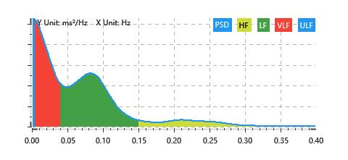

Nonlinear
 | Poincare | SD1 | 14.5ms | SD2 | 61.05ms
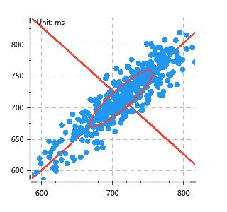

 | Scatter | A++ | 138 | B-- | 103

